Baseline
https://www.researchgate.net/publication/388397435_Plant_disease_detection_using_vision_transformers
STT | Tên Model | Accuracy | F1-score | Recall | Learning Curve | Confusion Matrix | Parameters
1 | ViT (Plant disease detection using vision transformers) | 0.6917 | 0.7084 | 0.7032 | 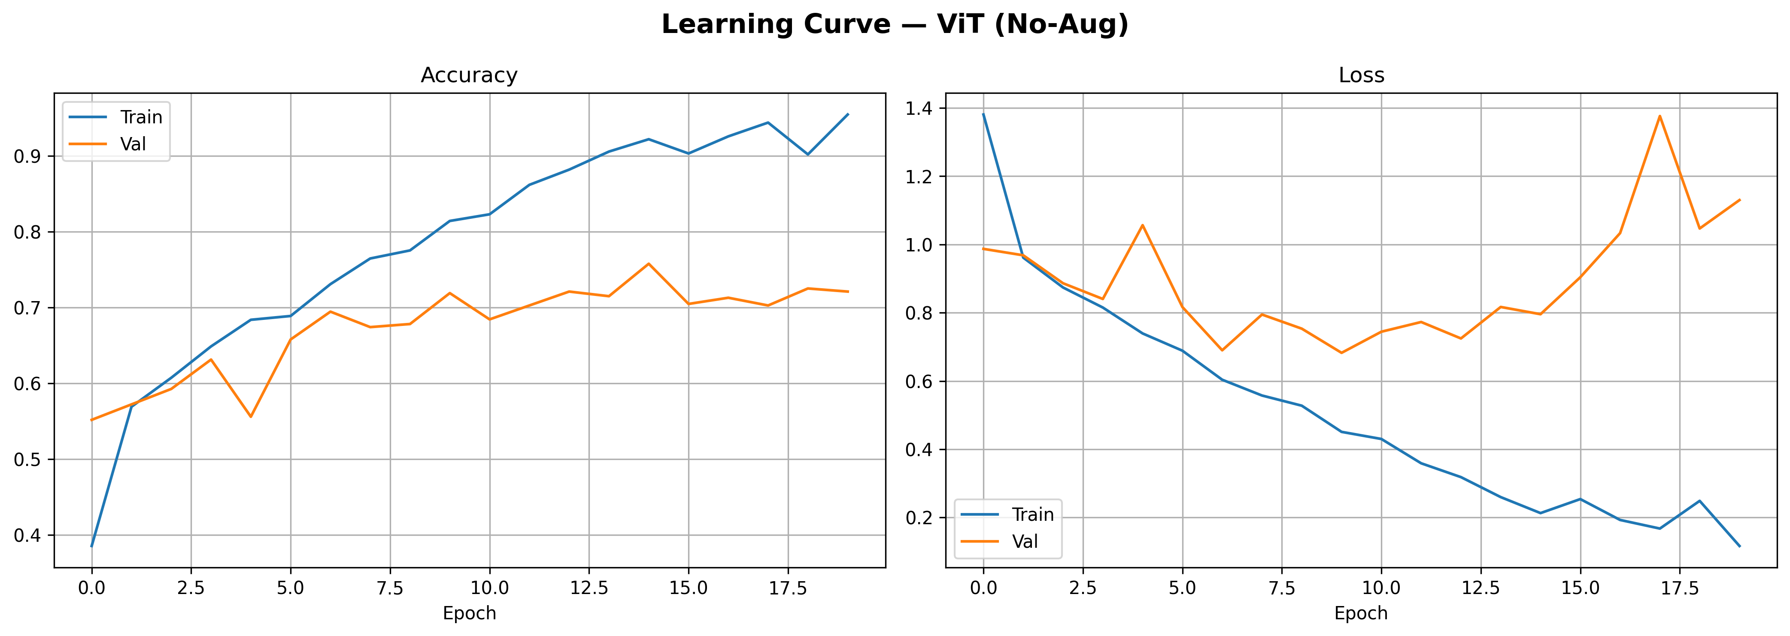 | 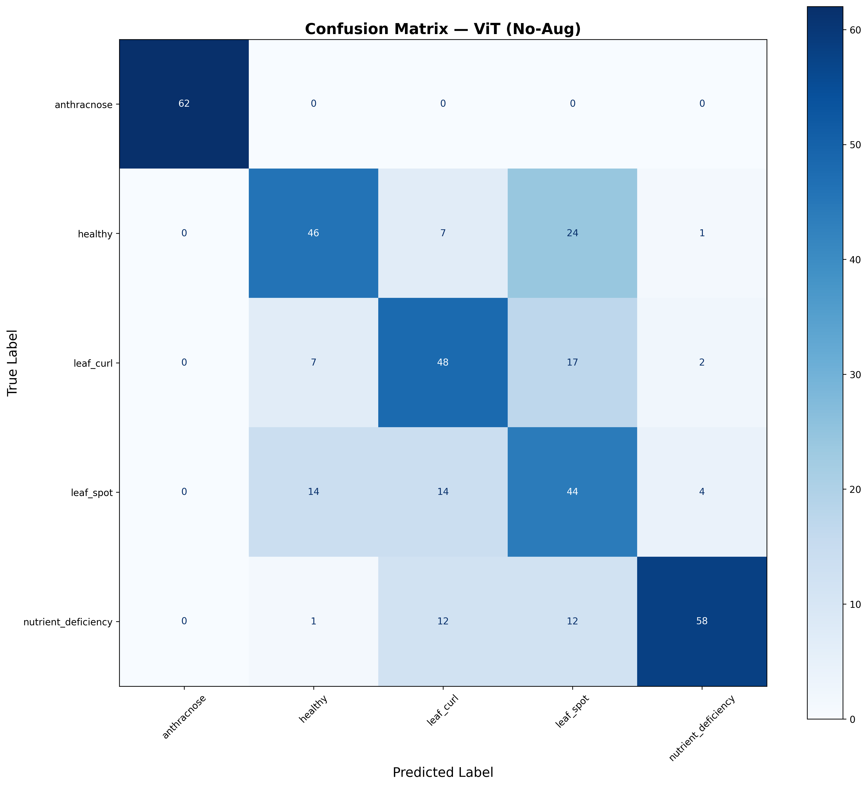 | 50,013,061

Augmented
STT | Tên Model | Accuracy | F1-score | Recall | Learning Curve | Confusion Matrix | Parameters
1 | ViT (Plant disease detection using vision transformers) | 0.7158 | 0.7081 | 0.7241 | 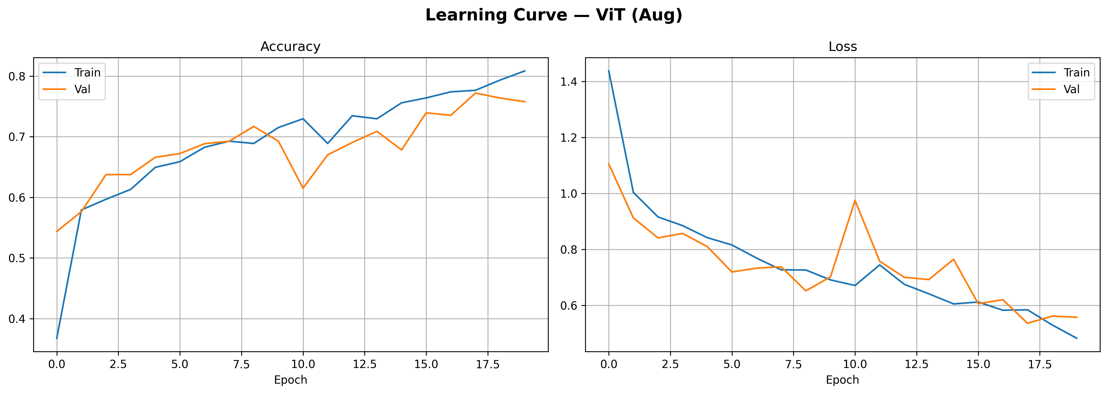 | 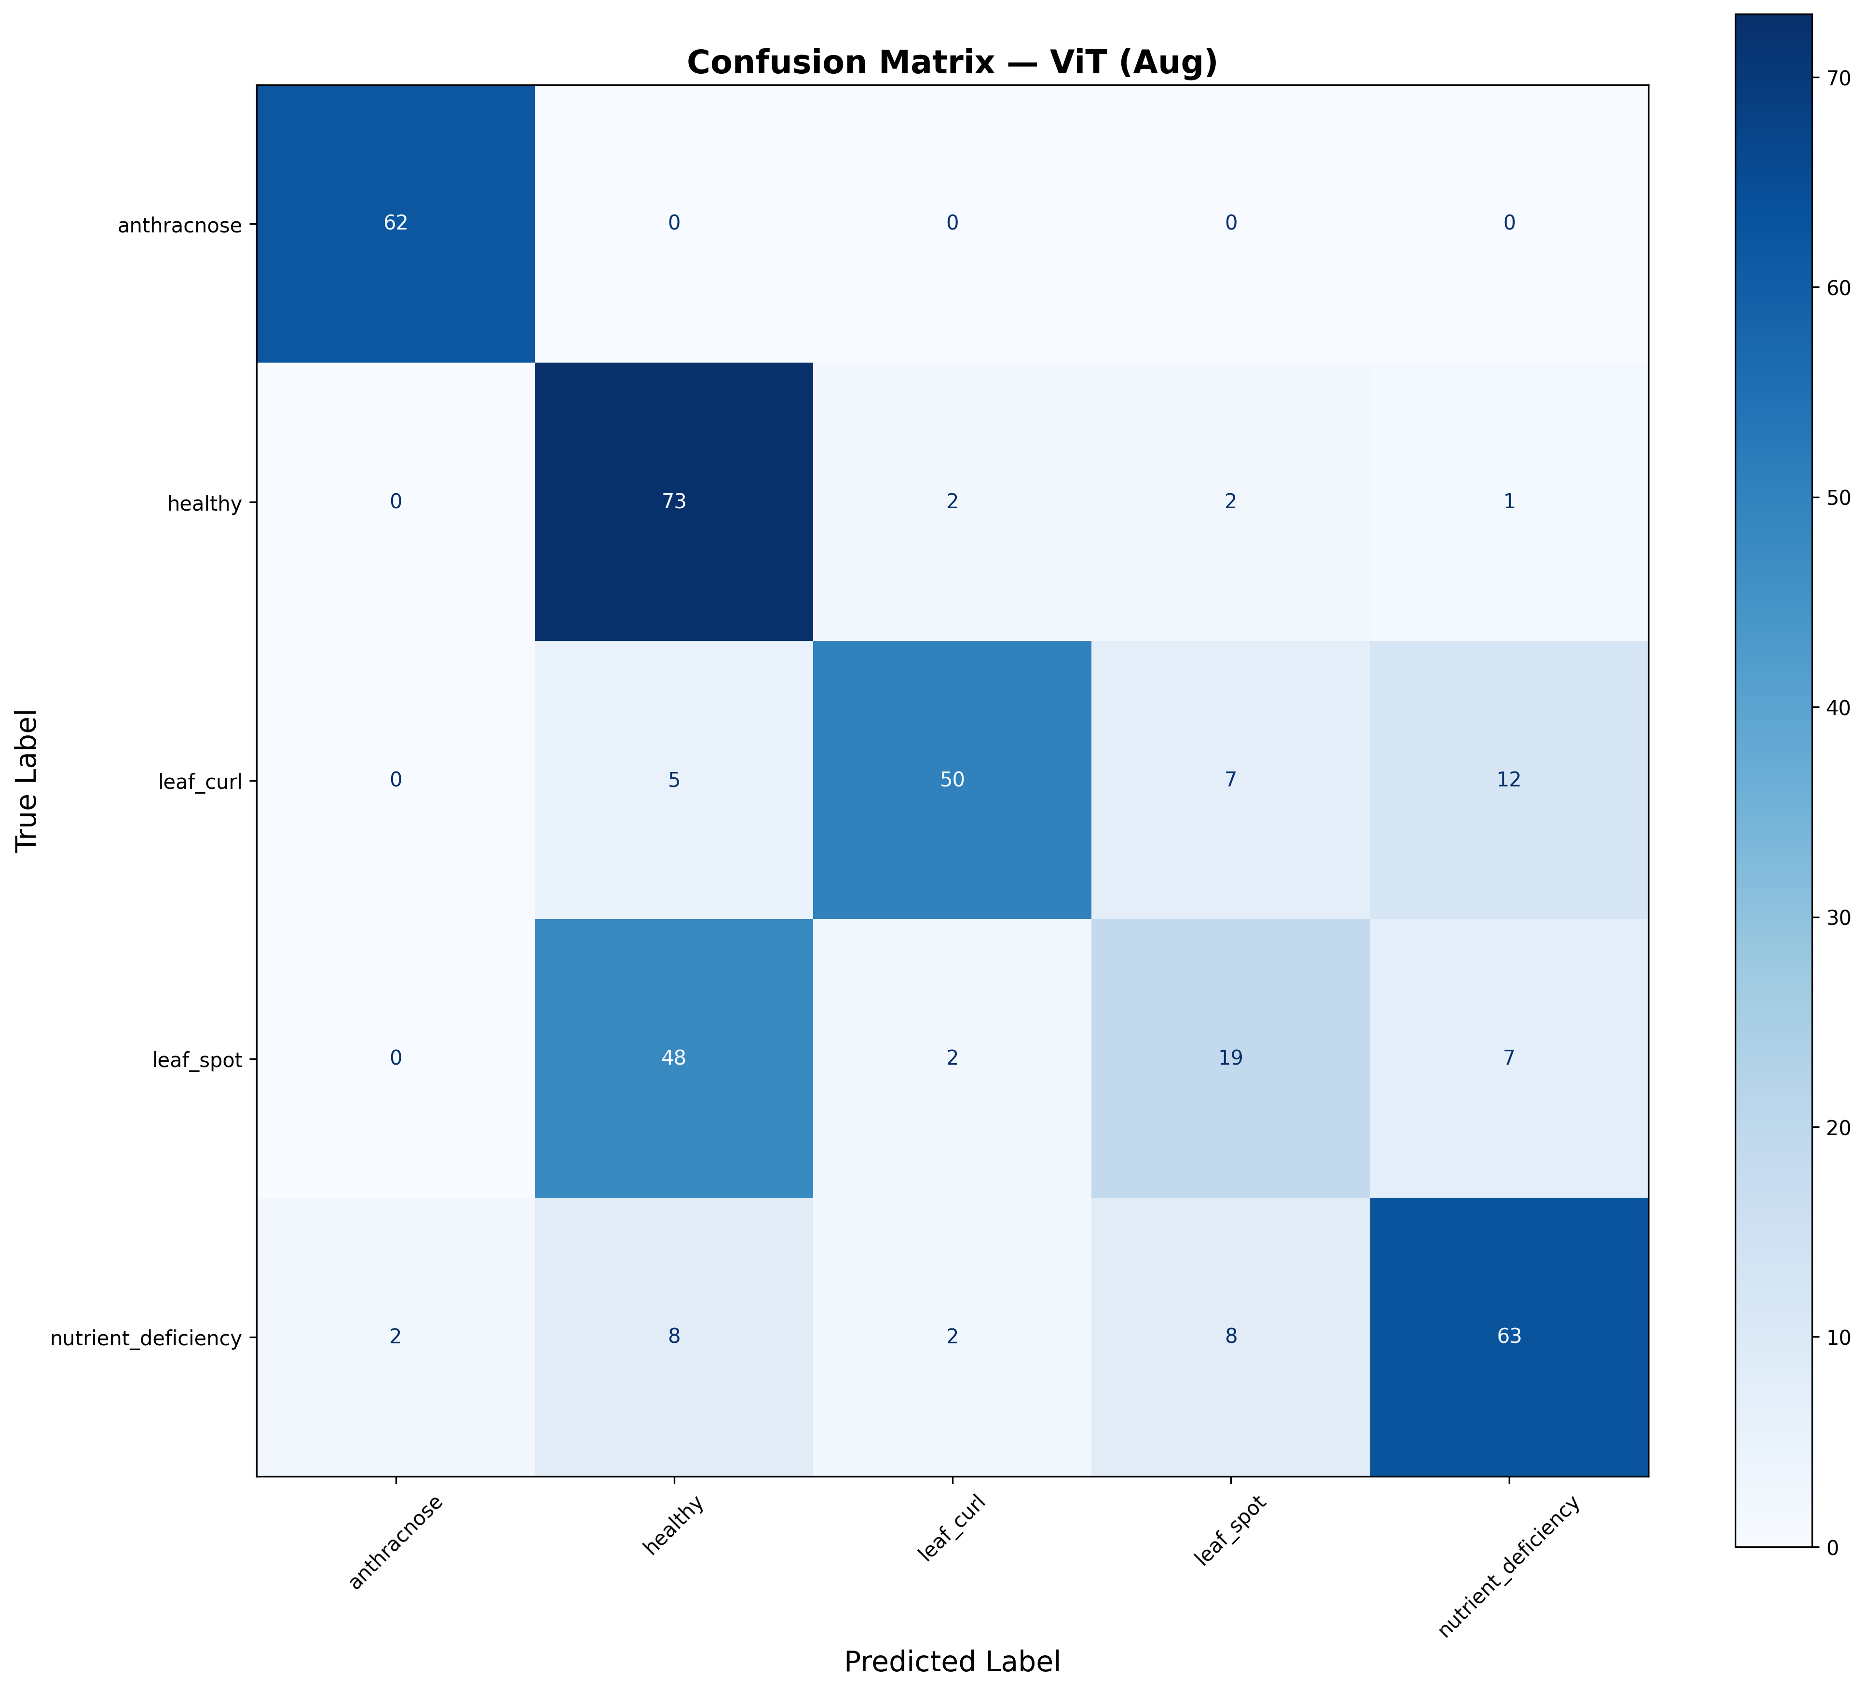 | 50,013,061

